EC2x Openlinux Resource
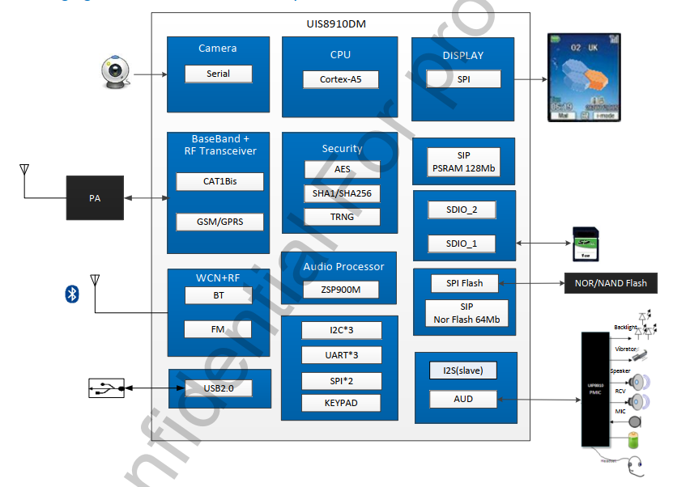
Soc Information
Core | Information
Cortex-A5 | 500MHz Cortex A5 Application processor ： 1> 32KB I-Cache 2> 32KB D-Cache

Modem DSP | FDD：B1/B3/B5/B8 TDD：B34/B38/B39/B40/B41 GSM：B3/B8

ROM Information
Total | Quectel Code | Availabe For Customer
8M | >7.1M(include volte) >6.8M(no volte) | 832K(include volte) 1152K(no volte)

RAM Information
Total | Quectel Code | Availabe For Customer
16M | >14.8M(include volte) >12.3M(no volte) | about 1.2M(include volte) about 3.7M(no volte)

OS Information
Item | Information
OS | FreeRTOS
Filesystem | SFFS(<1536K with volte, <1984K without volte)

UART
Default | x1 | Max | x3
Baudrate | 2400 4800 9600 14400 19200 28800 33600 38400 57600 115200
 | 230400 460800 921600 1000000

SPI(master)
Default | x1 | Max | x2
Clock | 812.5K，1.625M，3.25M，6.5M，13M，26M，52M

I2C
Default | x1 | Max | x3
Clock | 100k 400k

ADC
Default | x3 | Max | x3
Range | 0~Vbat

GPIO
Default | x32(include GPIO6/GPIO7/GPIO16) | Max | x29

USB
Version | USB 2.0
Host | N | Device | Y

SDIO
SDC1 | WIFI | Ver | SD 2.0
SDC2 | SD/EMMC | Ver | SD 2.0

PWM
Default | x1 | Max | x1
Clock | 0.5Hz-13MHz
Duty Cycle | 0%~100%

LCD
Chip | Resolution | Size | Color Depth
ST7789V | 240*320

Camera
GC032A

Codec
内置/外置

